Cover
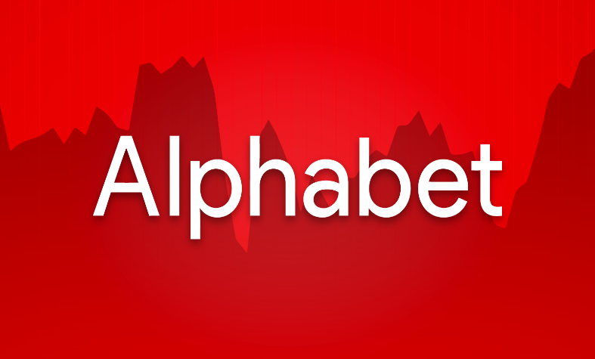


Company Overview:
Company Name: Alphabet Inc.
Ticker: GOOG
Exchange: NASDAQ
Founders: Larry Page and Sergy Brin
Ceo: Sundar Pichai
Sector: Communiucation Services
Business Segment: Google Services, Google Cloud, Others (inc. Waymo, Other Bets, etc.)
Valuation Summary:
DCF Implied Share Price: $214.95
Current Market Price (CMP): $212.91
Upside / Downside (%): 0.96%
Recommendation: Buy/Hold (for long-term investors) and Sell (for short-term investors).
Financial Highlights:
Revenue (2024A): $350,018
EBIT (2024A): $112,390
UFCF (2024A): $72,764
Revenue (2025E): $394,236
EBIT (2025E): $130,442
UFCF (2025E): $82,690
Key Assumtions:
Revenue Growth CAGR: 12.09% (2025E - 2029E)
Terminal Growth Rtae: 2.5%
WACC: 8.46%
Forecast Horizon: (2025E - 2029E)
Analyst Name: Siddhant Bhardwaj
Date of Valuation: 08/30/2025
Data Source: 10-K, 10-Q, Tikr.com, Macrotrends, etc.

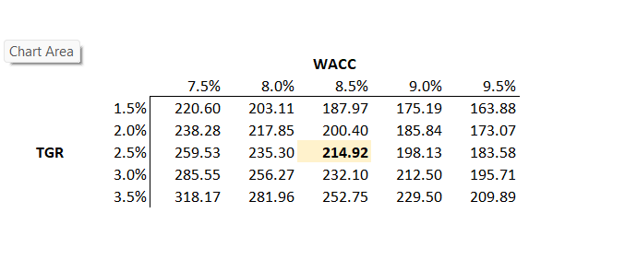
Implied Share Price Sensitivity Table

Summary
 |  |  |  |  |  |  |  |  |  |  |  |  | Active case : Base
Summary of DCF Model on Alphabet (GOOG)

Ticker | GOOG | Implied Share Price |  |  | 214.95 |  | Low-end | 168.75 |  | Revenue (1), EBIT (1), WACC (1), TGR(1) |  |  |  | 1 | Conservative
Date | 2025-08-30 | Current Price |  |  | 212.91 |  | High-end | 276.47 |  | Revenue (3), EBIT(3), WACC(3), TGR(3) |  |  |  | 2 | Base
Year end | 2025-12-31 | Implied Upside/Downside |  |  | 1.0% |  |  |  |  |  |  |  |  | 3 | Optimistic

Income Statement ($ MM) |  |  | 2015A | 2016A | 2017A | 2018A | 2019A | 2020A | 2021A | 2022A | 2023A | 2024A | 2025E | 2026E | 2027E | 2028E | 2029E
Revenue |  |  | 74,989 | 90,272 | 110,855 | 136,819 | 161,857 | 182,527 | 257,637 | 282,836 | 307,394 | 350,018 | 394,236 | 439,217 | 494,718 | 555,204 | 622,333
growth% |  |  | -- | 20% | 23% | 23% | 18% | 13% | 41% | 10% | 9% | 14% | 13% | 11% | 13% | 12% | 12% | 12.09%

EBIT |  |  | 19,360 | 23,716 | 26,178 | 27,524 | 34,231 | 41,224 | 78,714 | 74,842 | 84,293 | 112,390 | 130,442 | 147,085 | 162,738 | 184,088 | 206,490
% of Sale |  |  | 26% | 26% | 24% | 20% | 21% | 23% | 31% | 26% | 27% | 32% | 33% | 33% | 33% | 33% | 33%

Taxes |  |  | 3,303 | 4,672 | 14,531 | 4,177 | 5,282 | 7,813 | 14,701 | 11,356 | 11,922 | 19,697 | 22,566 | 23,361 | 26,918 | 30,512 | 33,725
Tax rate |  |  | 17% | 19% | 53% | 12% | 13% | 16% | 16% | 16% | 14% | 16% | 17% | 16% | 17% | 17% | 16%

Chart Title
 | EBIT | % of Sale
2015A | 19360 | 0.25817119844
2016A | 23716 | 0.26271712159
2017A | 26178 | 0.23614631726
2018A | 27524 | 0.20117089001
2019A | 34231 | 0.21148915401
2020A | 41224 | 0.22585151786
2021A | 78714 | 0.30552288685
2022A | 74842 | 0.26461270842
2023A | 84293 | 0.27421810445
2024A | 112390 | 0.32109777211
2025E | 130441.54 | 0.330871896
2026E | 147085.24 | 0.3348804572
2027E | 162737.5415 | 0.32895004177
2028E | 184087.63503 | 0.33156746499
2029E | 206489.6356 | 0.33179932132
Chart Title
 | Revenue | growth%
2015A | 74989 | 0
2016A | 90272 | 0.20380322447
2017A | 110855 | 0.22801090039
2018A | 136819 | 0.23421586757
2019A | 161857 | 0.183000899
2020A | 182527 | 0.12770532013
2021A | 257637 | 0.41150076427
2022A | 282836 | 0.097808156437
2023A | 307394 | 0.086827702273
2024A | 350018 | 0.13866243323
2025E | 394235.78 | 0.12633001731
2026E | 439217.15 | 0.11409763467
2027E | 494718.10561 | 0.12636336174
2028E | 555204.15743 | 0.12226367124
2029E | 622332.90525 | 0.12090822255

Other Important Metrics (MM $)
Terminal value |  |  | 3,004,590
Present value of Terminal value |  |  | 2,201,186
Enterpeise value |  |  | 2,672,510
Equity value |  |  | 2,669,939
Implied Share price |  |  | 214.95

